Sheet1
PROJECT NAME |  | App Data Security |  |  | TEST DATA | 1.1 (str) userName : moore
MODULE NAME |  | Record observation |  |  |  | 1.2 (str) passwordLogin : 123
 |  |  |  |  |  | 2.1 (int) choice : 1
TEST DESIGNED BY |  | Luu Dieu Co |  |  |  | 3.1 (str) date_search : 2019-05-17
TEST DESIGNED DATE |  | 15/5/2019 |  |  |  | 3.2 (int) inputQrCode : 77558
TEST EXECUTED BY |  | Tran Hoang Chuong
TEST EXECUTED DATE |  | 16/5/2019


TEST CASE # | TEST CASE TITLE |  |  | TEST CASE DESCRIPTION |  | TEST CASE STEPS | POST CONDITION | STATUS | FAIL CONDITION | TEST CASE #3 - FAIL CONDITION
#1 | Application login |  |  | Trainee logs in the application by entering their username and password |  | 1.1 Input username | Username and password must be available | OK | Username or password is not exist
 |  |  |  |  |  | 1.2 Input password
#2 | Functional addressing |  |  | Trainee chooses the profile viewing function |  | 2.1 Input choice | Choice should be available (from range 1 - 5) | OK | Choice is not correct (lower than 1 or exceeding 5)

#3 | Record searching |  |  | Trainee searches his record by entering the date he created the record and ID record |  | 3.1 Input date | Date and ID record must be correct | OK | Date is not in correct format, ID is not exist
 |  |  |  |  |  | 3.2 Input ID record

Expected result |  |  | Actual result

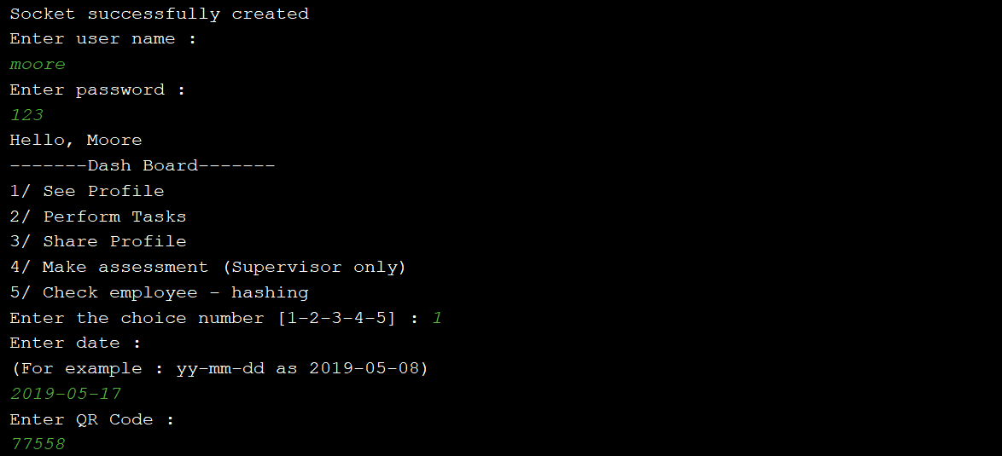
The client interface will print out trainee's decrypted record : all data fields

